Info
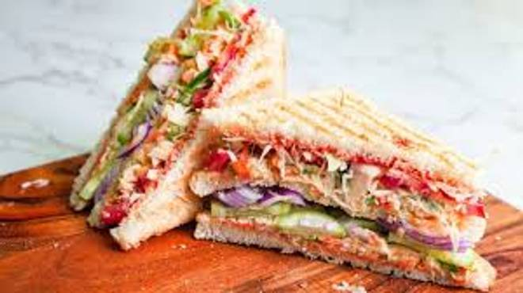
🍊 Restaurant Information

Name | Waah Snacks
Area | Mandvi
Rating | --
Total Ratings | Too Few Ratings
Cuisines | Snacks
Cost for Two | ₹200 for two
Delivery Time | 34 mins
Swiggy URL | https://www.swiggy.com/city/vadodara/waah-snacks-mandvi-rest1080352
Scraped On | 18 Mar 2026, 10:41 am

── Menu Stats ──
Total Items | 1
Veg Items | 0
Non-Veg Items | 0
Bestsellers | 0
Items with Photo | 0
Categories | Buy 2 Get 1 Free

