Info
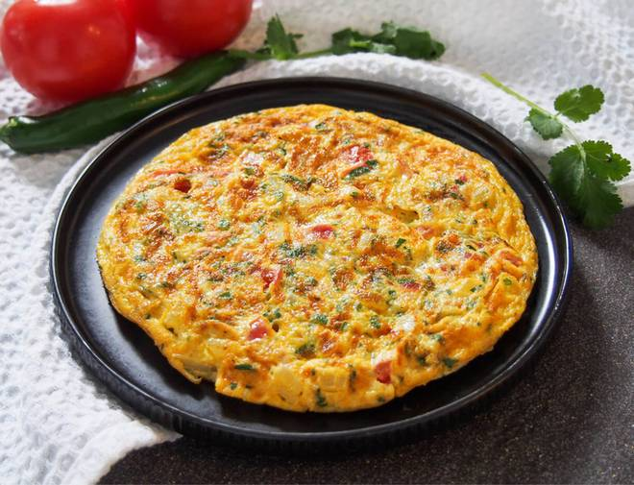
🍊 Restaurant Information

Name | Yusuf Omlet
Area | Sayajiganj
Rating | 4.2
Total Ratings | 17 ratings
Cuisines | Snacks, Street Food
Cost for Two | ₹250 for two
Delivery Time | 25 mins
Swiggy URL | https://www.swiggy.com/city/vadodara/yusuf-omlet-sayajiganj-rest382878
Scraped On | 18 Mar 2026, 10:45 am

── Menu Stats ──
Total Items | 4
Veg Items | 0
Non-Veg Items | 0
Bestsellers | 0
Items with Photo | 2
Categories | Milk Shake

