Info
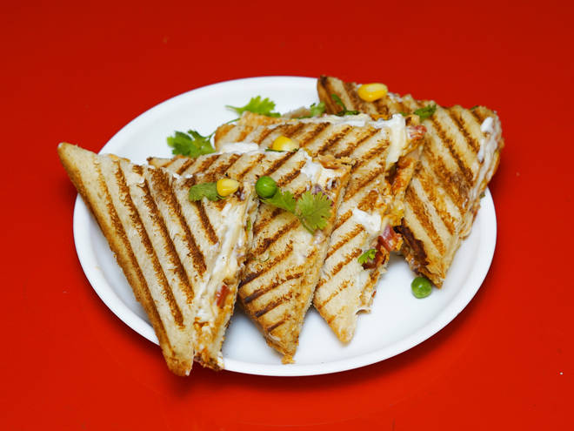
🍊 Restaurant Information

Name | Zest
Area | Fatehgunj
Rating | --
Total Ratings | Too Few Ratings
Cuisines | Fast Food, Pastas
Cost for Two | ₹350 for two
Delivery Time | 43 mins
Swiggy URL | https://www.swiggy.com/city/vadodara/zest-karelibagh-fatehgunj-rest579425
Scraped On | 18 Mar 2026, 10:42 am

── Menu Stats ──
Total Items | 28
Veg Items | 0
Non-Veg Items | 0
Bestsellers | 0
Items with Photo | 11
Categories | Recommended, Sandwich, Coffee N' More, Fresh Juices, Pasta, Sides

