Info
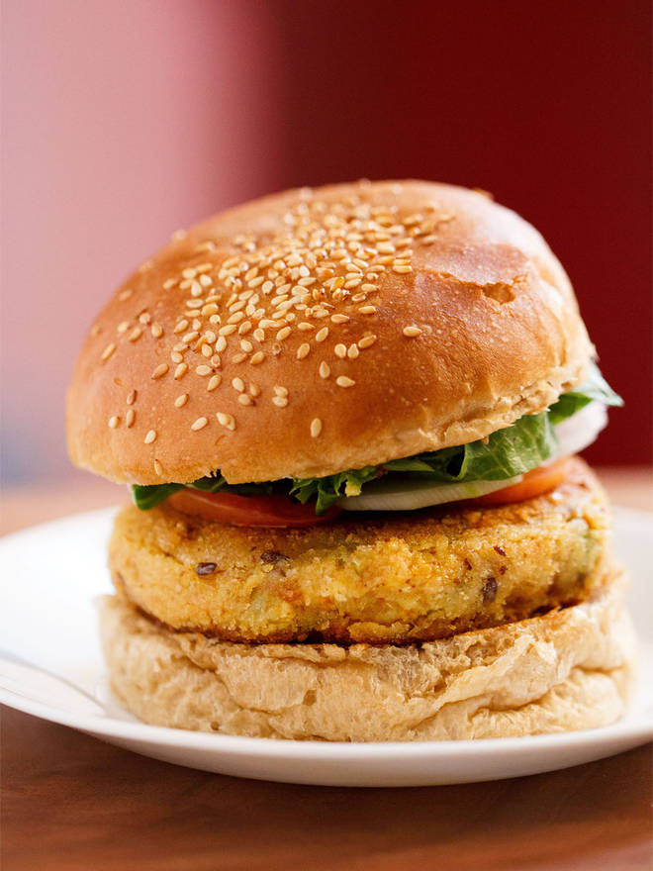
🍊 Restaurant Information

Name | Zoop Cafe
Area | Kendranagar
Rating | --
Total Ratings | Too Few Ratings
Cuisines | Fast Food, Street Food
Cost for Two | ₹200 for two
Delivery Time | 40 mins
Swiggy URL | https://www.swiggy.com/city/vadodara/zoop-cafe-sarthi-nagar-kendranagar-rest546730
Scraped On | 18 Mar 2026, 10:36 am

── Menu Stats ──
Total Items | 4
Veg Items | 0
Non-Veg Items | 0
Bestsellers | 0
Items with Photo | 0
Categories | Cold cocco

