Info
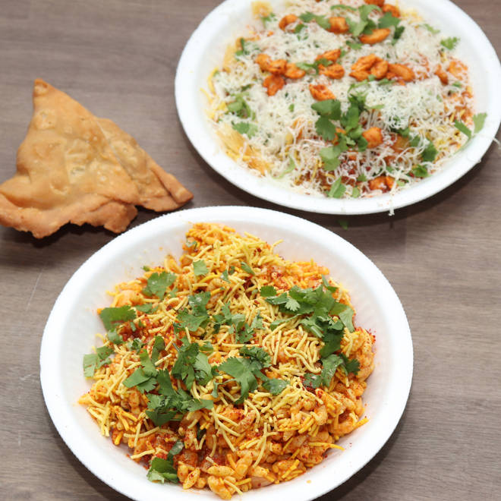
🍊 Restaurant Information

Name | 23 Puff Street (Honest Snacks)
Area | Sayajigunj
Rating | 4.2
Total Ratings | 139 ratings
Cuisines | Snacks
Cost for Two | ₹300 for two
Delivery Time | 24 mins
Swiggy URL | https://www.swiggy.com/city/vadodara/23-puff-street-honest-snacks-aurobindo-ghosh-road-sayajigunj-rest101050
Scraped On | 18 Mar 2026, 10:47 am

── Menu Stats ──
Total Items | 0
Veg Items | 0
Non-Veg Items | 0
Bestsellers | 0
Items with Photo | 0
Categories

