Info
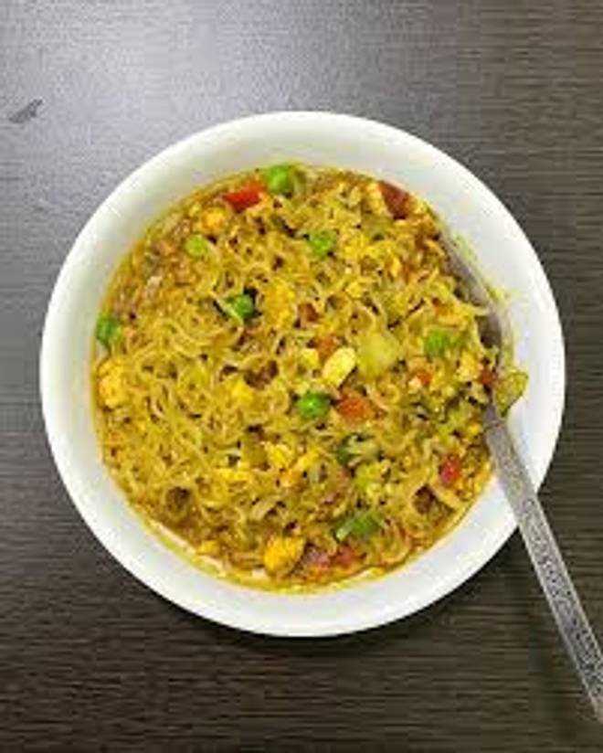
🍊 Restaurant Information

Name | A1 Chinese And Punjabi Food
Area | Fatehgunj
Rating | --
Total Ratings | Too Few Ratings
Cuisines | Cafe
Cost for Two | ₹200 for two
Delivery Time | 41 mins
Swiggy URL | https://www.swiggy.com/city/vadodara/a1-chinese-and-punjabi-food-fatehgunj-rest1077326
Scraped On | 18 Mar 2026, 10:51 am

── Menu Stats ──
Total Items | 87
Veg Items | 0
Non-Veg Items | 0
Bestsellers | 0
Items with Photo | 2
Categories | Roti, Veg Items, Chinese, Rice, Pav Bhaji, Salad, Papad, Sweets, Dal, Raita

