Info
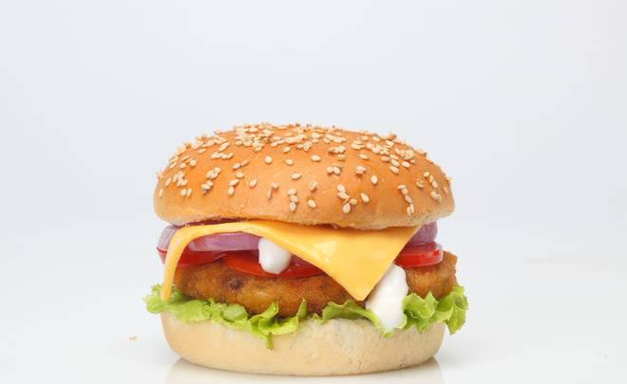
🍊 Restaurant Information

Name | A One Chicken Dana
Area | Mandvi
Rating | 3.3
Total Ratings | 5 ratings
Cuisines | Street Food, Snacks
Cost for Two | ₹200 for two
Delivery Time | 38 mins
Swiggy URL | https://www.swiggy.com/city/vadodara/a-one-chicken-dana-sarsiya-talav-road-mandvi-rest380264
Scraped On | 18 Mar 2026, 10:53 am

── Menu Stats ──
Total Items | 0
Veg Items | 0
Non-Veg Items | 0
Bestsellers | 0
Items with Photo | 0
Categories

