Info
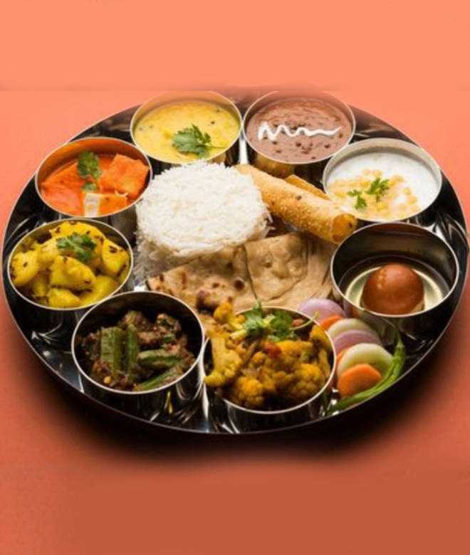
🍊 Restaurant Information

Name | Aditi Nasta and Family Restaurant
Area | Sama
Rating | 4.4
Total Ratings | 413 ratings
Cuisines | Chinese, North Indian
Cost for Two | ₹200 for two
Delivery Time | 51 mins
Swiggy URL | https://www.swiggy.com/city/vadodara/aditi-nasta-and-family-restaurant-savli-road-sama-rest405988
Scraped On | 18 Mar 2026, 10:52 am

── Menu Stats ──
Total Items | 85
Veg Items | 0
Non-Veg Items | 0
Bestsellers | 0
Items with Photo | 56
Categories | Recommended, Punjabi, Daal, Rice, Must Try Combos, Holi Specials, IPL Combos, Vegetables, Nasta, Chinese Soup, Salad, Gravy, Starters Chinese, Soft Drinks, Noodles, Main Course, Aditi Special, Indian Bread (Roti), Papad, Desserts, Special Combo Meal Veg, Mini Combo Meal veg, Indian Combo Meal

