Info
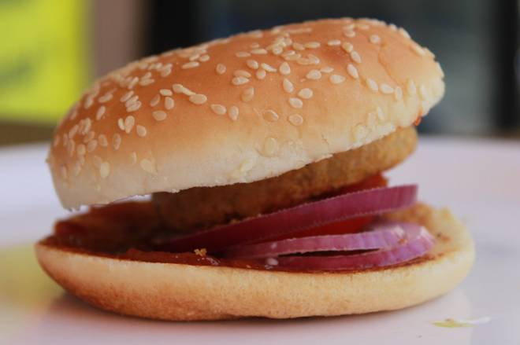
🍊 Restaurant Information

Name | Aditya Burger & Frankie
Area | Karelibaug
Rating | --
Total Ratings | Too Few Ratings
Cuisines | Burgers, Fast Food
Cost for Two | ₹280 for two
Delivery Time | 34 mins
Swiggy URL | https://www.swiggy.com/city/vadodara/aditya-burger-and-frankie-prakash-nagar-karelibaug-rest607869
Scraped On | 18 Mar 2026, 10:53 am

── Menu Stats ──
Total Items | 4
Veg Items | 0
Non-Veg Items | 0
Bestsellers | 0
Items with Photo | 2
Categories | Milk Shake

