Info
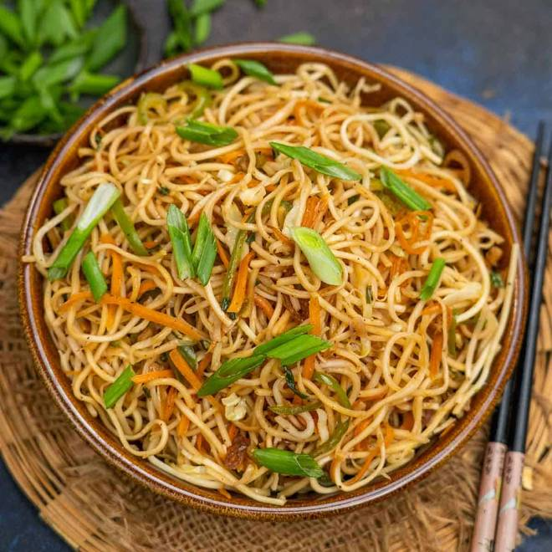
🍊 Restaurant Information

Name | Adiyog Chinese Food
Area | Mandvi
Rating | --
Total Ratings | Too Few Ratings
Cuisines | Chinese
Cost for Two | ₹199 for two
Delivery Time | 39 mins
Swiggy URL | https://www.swiggy.com/city/vadodara/adiyog-chinese-food-waghodia-road-mandvi-rest763196
Scraped On | 18 Mar 2026, 10:51 am

── Menu Stats ──
Total Items | 5
Veg Items | 0
Non-Veg Items | 0
Bestsellers | 0
Items with Photo | 3
Categories | Potato Varieties

