Info
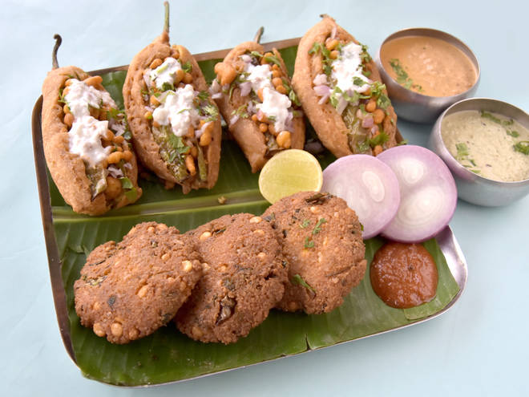
🍊 Restaurant Information

Name | Agrawal Dalwada House
Area | Sayajigunj
Rating | 4.3
Total Ratings | 11 ratings
Cuisines | Snacks, Sweets
Cost for Two | ₹100 for two
Delivery Time | 24 mins
Swiggy URL | https://www.swiggy.com/city/vadodara/agrawal-dalwada-house-sayajiganj-road-sayajigunj-rest464585
Scraped On | 18 Mar 2026, 10:47 am

── Menu Stats ──
Total Items | 5
Veg Items | 0
Non-Veg Items | 0
Bestsellers | 0
Items with Photo | 3
Categories | Potato Varieties

