Info
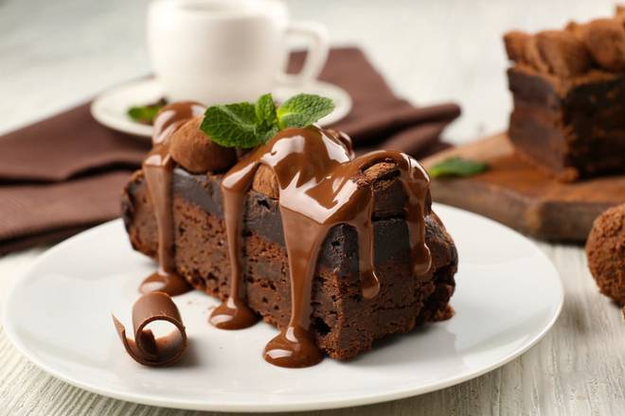
🍊 Restaurant Information

Name | Alisha Cake Shop
Area | Kendranagar
Rating | 3.8
Total Ratings | 34 ratings
Cuisines | Bakery
Cost for Two | ₹500 for two
Delivery Time | 42 mins
Swiggy URL | https://www.swiggy.com/city/vadodara/alisha-cake-shop-waghodia-ring-road-kendranagar-rest183712
Scraped On | 18 Mar 2026, 10:55 am

── Menu Stats ──
Total Items | 28
Veg Items | 0
Non-Veg Items | 0
Bestsellers | 0
Items with Photo | 0
Categories | Christmas & NYE Specials

