Info
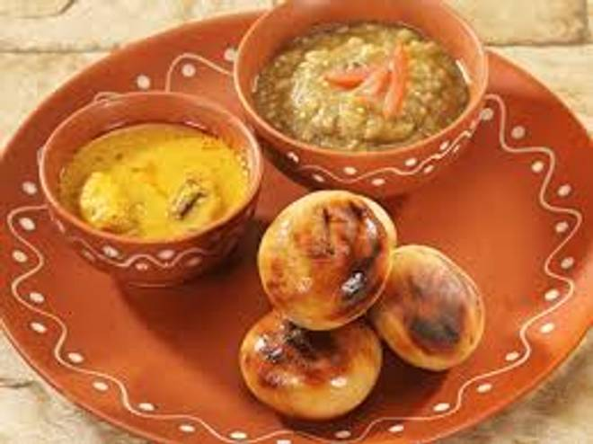
🍊 Restaurant Information

Name | Ananya Fast Food
Area | Mandvi
Rating | --
Total Ratings | Too Few Ratings
Cuisines | Fast Food
Cost for Two | ₹200 for two
Delivery Time | 44 mins
Swiggy URL | https://www.swiggy.com/city/vadodara/ananya-fast-food-mandvi-rest1173537
Scraped On | 18 Mar 2026, 10:49 am

── Menu Stats ──
Total Items | 125
Veg Items | 0
Non-Veg Items | 0
Bestsellers | 0
Items with Photo | 36
Categories | Main course, Breakfast, Thali, Paratha, Bati chokha, Snacks, Soup

