Info
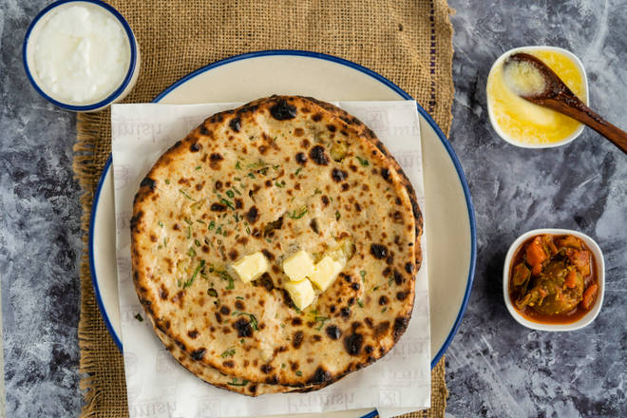
🍊 Restaurant Information

Name | Arogya Amrutlya
Area | Mandvi
Rating | 4
Total Ratings | 7 ratings
Cuisines | Indian
Cost for Two | ₹100 for two
Delivery Time | 45 mins
Swiggy URL | https://www.swiggy.com/city/vadodara/arogya-amrutlya-kendranagar-mandvi-rest840066
Scraped On | 18 Mar 2026, 10:55 am

── Menu Stats ──
Total Items | 2
Veg Items | 0
Non-Veg Items | 0
Bestsellers | 0
Items with Photo | 1
Categories | Recommended

