Info
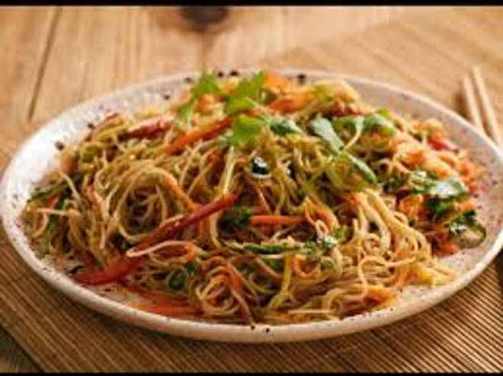
🍊 Restaurant Information

Name | Arpit Chinese Fast Food
Area | Mandvi
Rating | 4.2
Total Ratings | 16 ratings
Cuisines | Street Food, Indian
Cost for Two | ₹200 for two
Delivery Time | 40 mins
Swiggy URL | https://www.swiggy.com/city/vadodara/arpit-chinese-fast-food-waghodia-road-mandvi-rest356458
Scraped On | 18 Mar 2026, 10:54 am

── Menu Stats ──
Total Items | 4
Veg Items | 0
Non-Veg Items | 0
Bestsellers | 0
Items with Photo | 3
Categories | Milk Shake

