Info
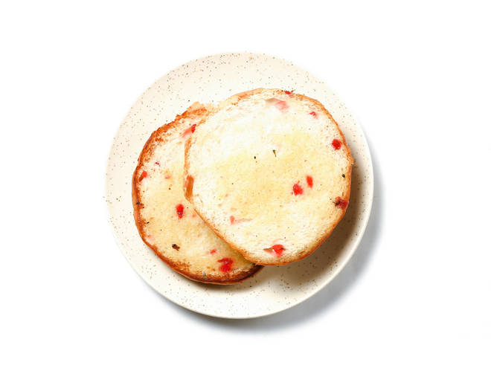
🍊 Restaurant Information

Name | B2 Maskabun
Area | RISABH CORNER
Rating | 4.3
Total Ratings | 47 ratings
Cuisines | Snacks
Cost for Two | ₹120 for two
Delivery Time | 30 mins
Swiggy URL | https://www.swiggy.com/city/vadodara/b2-maskabun-nizampura-risabh-corner-rest596713
Scraped On | 18 Mar 2026, 10:46 am

── Menu Stats ──
Total Items | 4
Veg Items | 0
Non-Veg Items | 0
Bestsellers | 0
Items with Photo | 3
Categories | Milk Shake

