Info
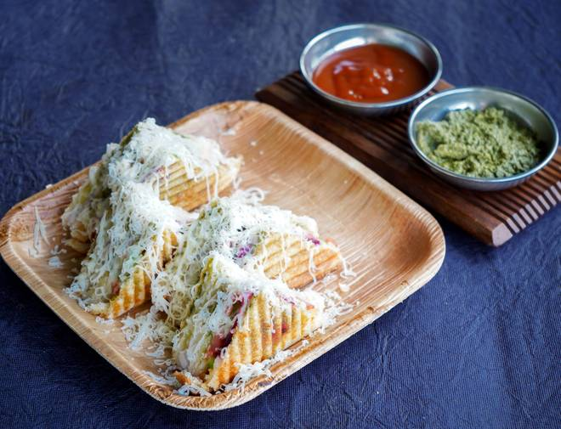
🍊 Restaurant Information

Name | Balveer Sandwich & Fastfood
Area | Sayajipura
Rating | 4.1
Total Ratings | 18 ratings
Cuisines | Fast Food, Chinese
Cost for Two | ₹100 for two
Delivery Time | 45 mins
Swiggy URL | https://www.swiggy.com/city/vadodara/balveer-sandwich-and-fastfood-new-vip-road-sayajipura-rest627240
Scraped On | 18 Mar 2026, 10:55 am

── Menu Stats ──
Total Items | 2
Veg Items | 0
Non-Veg Items | 0
Bestsellers | 0
Items with Photo | 2
Categories | Recommended

