Info
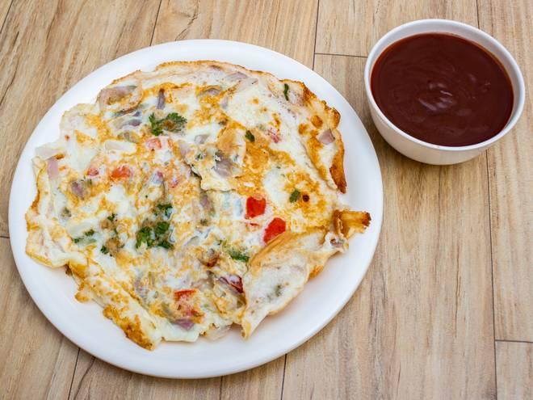
🍊 Restaurant Information

Name | Baroda Omlet
Area | Mandvi
Rating | --
Total Ratings | Too Few Ratings
Cuisines | Indian
Cost for Two | ₹200 for two
Delivery Time | 29 mins
Swiggy URL | https://www.swiggy.com/city/vadodara/baroda-omlet-mandvi-rest456395
Scraped On | 18 Mar 2026, 10:48 am

── Menu Stats ──
Total Items | 4
Veg Items | 0
Non-Veg Items | 0
Bestsellers | 0
Items with Photo | 4
Categories | Gravy Spl.

