Info
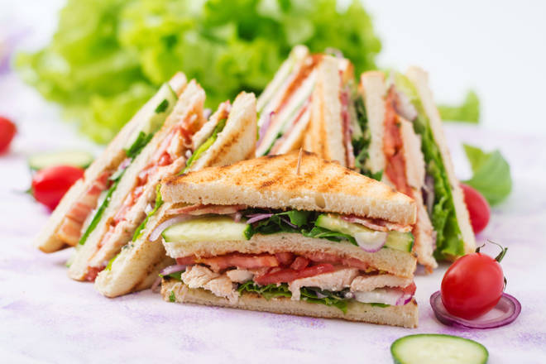
🍊 Restaurant Information

Name | Barodian Sandwich
Area | Waghodia
Rating | 3.9
Total Ratings | 90 ratings
Cuisines | Fast Food, Snacks
Cost for Two | ₹200 for two
Delivery Time | 45 mins
Swiggy URL | https://www.swiggy.com/city/vadodara/barodian-sandwich-waghodia-rest222502
Scraped On | 18 Mar 2026, 10:50 am

── Menu Stats ──
Total Items | 0
Veg Items | 0
Non-Veg Items | 0
Bestsellers | 0
Items with Photo | 0
Categories

