Info
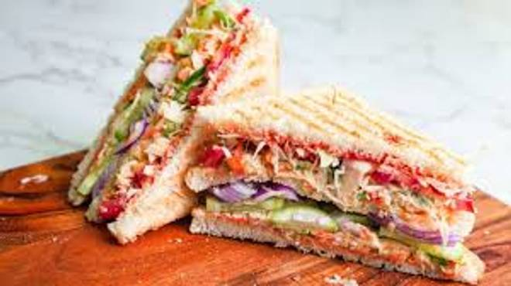
🍊 Restaurant Information

Name | Beyond 7
Area | Akota
Rating | 4.6
Total Ratings | 3 ratings
Cuisines | Burgers, Cafe
Cost for Two | ₹249 for two
Delivery Time | 32 mins
Swiggy URL | https://www.swiggy.com/city/vadodara/beyond-7-akota-rest1135253
Scraped On | 18 Mar 2026, 10:54 am

── Menu Stats ──
Total Items | 8
Veg Items | 0
Non-Veg Items | 0
Bestsellers | 0
Items with Photo | 0
Categories | Snacks, Burgers And Sandwiches, Maggie, Rolls

