Info
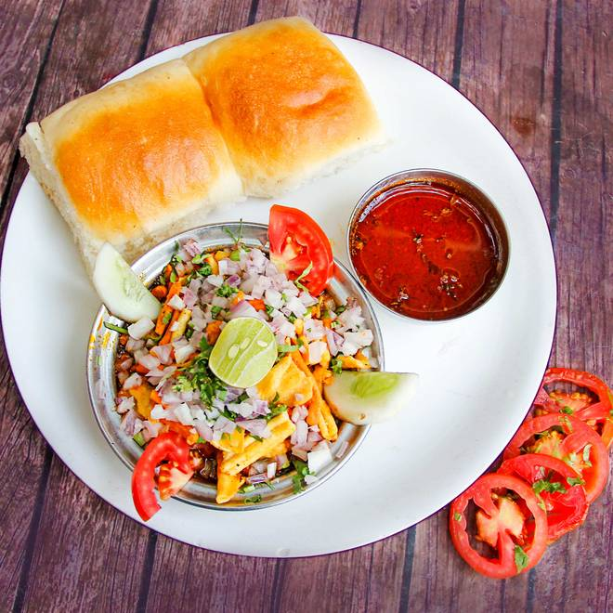
🍊 Restaurant Information

Name | Bhailu Sev Usad
Area | Mandvi
Rating | 4.6
Total Ratings | 1.6K+ ratings
Cuisines | Gujarati, Snacks
Cost for Two | ₹150 for two
Delivery Time | 36 mins
Swiggy URL | https://www.swiggy.com/city/vadodara/bhailu-sev-usad-raopura-mandvi-rest86234
Scraped On | 18 Mar 2026, 10:53 am

── Menu Stats ──
Total Items | 6
Veg Items | 0
Non-Veg Items | 0
Bestsellers | 0
Items with Photo | 5
Categories | Recommended, Combo

