Info
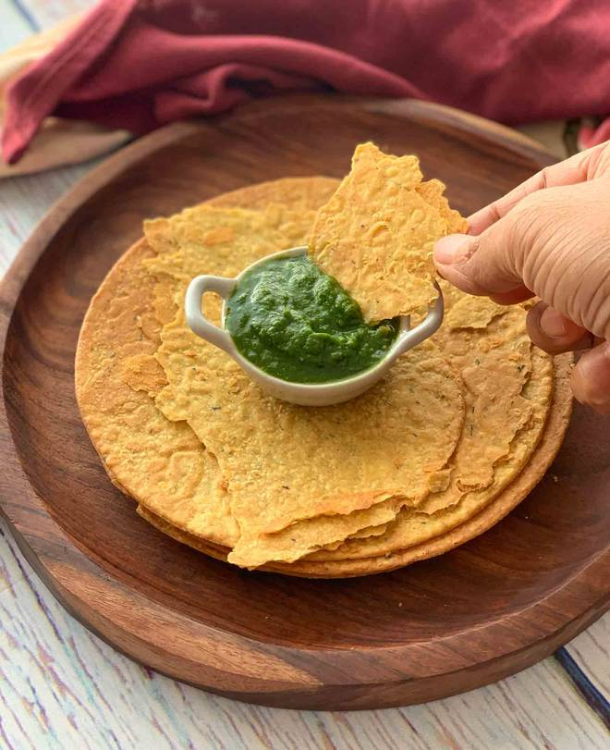
🍊 Restaurant Information

Name | Bharti Gruh Udhyog
Area | Manjalpur
Rating | --
Total Ratings | Too Few Ratings
Cuisines | Snacks
Cost for Two | ₹150 for two
Delivery Time | 36 mins
Swiggy URL | https://www.swiggy.com/city/vadodara/bharti-gruh-udhyog-manjalpur-rest1033016
Scraped On | 18 Mar 2026, 10:51 am

── Menu Stats ──
Total Items | 9
Veg Items | 0
Non-Veg Items | 0
Bestsellers | 0
Items with Photo | 0
Categories | Snacks

