Info
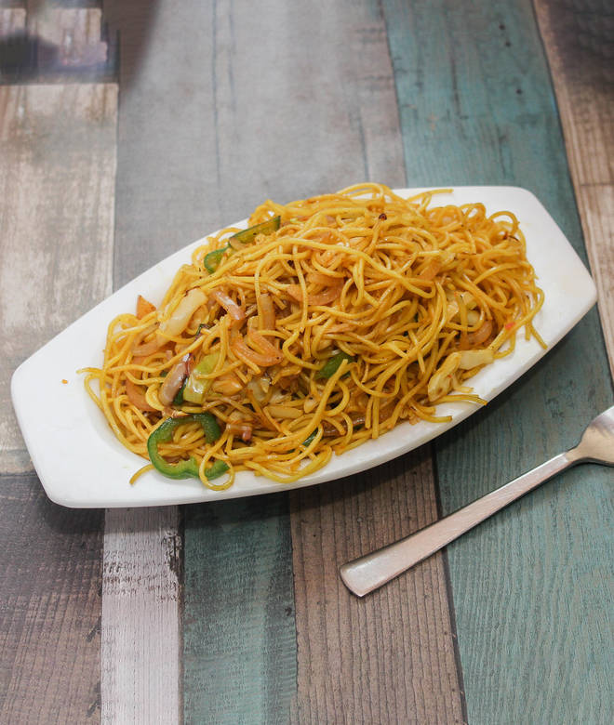
🍊 Restaurant Information

Name | Bhole Chinese Food Point
Area | Sayajipura
Rating | 4.6
Total Ratings | <3 ratings
Cuisines | Chinese
Cost for Two | ₹200 for two
Delivery Time | 45 mins
Swiggy URL | https://www.swiggy.com/city/vadodara/bhole-chinese-food-point-mukti-nagar-sayajipura-rest563497
Scraped On | 18 Mar 2026, 10:50 am

── Menu Stats ──
Total Items | 5
Veg Items | 0
Non-Veg Items | 0
Bestsellers | 0
Items with Photo | 2
Categories | Potato Varieties

