Info
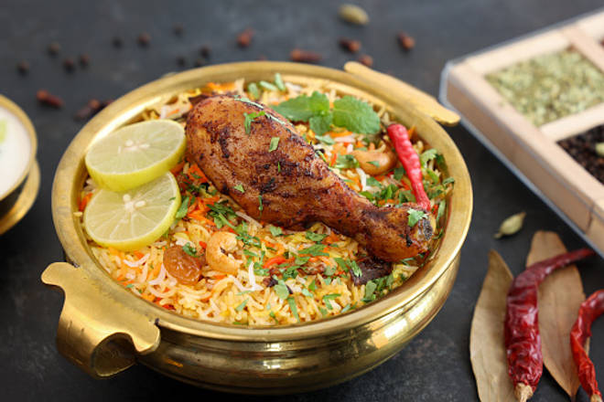
🍊 Restaurant Information

Name | Biryani@100
Area | Fatehgunj
Rating | 3.9
Total Ratings | 3 ratings
Cuisines | Mughlai
Cost for Two | ₹300 for two
Delivery Time | 28 mins
Swiggy URL | https://www.swiggy.com/city/vadodara/biryani-100-amjad-park-fatehgunj-rest1133512
Scraped On | 18 Mar 2026, 10:47 am

── Menu Stats ──
Total Items | 0
Veg Items | 0
Non-Veg Items | 0
Bestsellers | 0
Items with Photo | 0
Categories

