Info
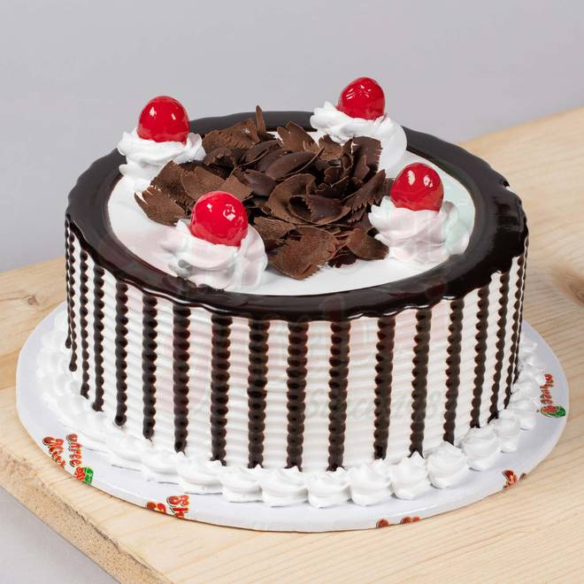
🍊 Restaurant Information

Name | Bite 4Hunger
Area | Manjalpur
Rating | --
Total Ratings | Too Few Ratings
Cuisines | Bakery
Cost for Two | ₹200 for two
Delivery Time | 34 mins
Swiggy URL | https://www.swiggy.com/city/vadodara/bite-4hunger-makarpura-road-manjalpur-rest678473
Scraped On | 18 Mar 2026, 10:54 am

── Menu Stats ──
Total Items | 24
Veg Items | 0
Non-Veg Items | 0
Bestsellers | 0
Items with Photo | 9
Categories | Cake Flavour

