Info
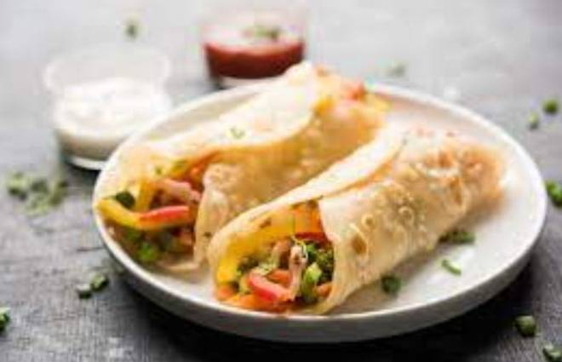
🍊 Restaurant Information

Name | Bombay Frankies
Area | Mandvi
Rating | --
Total Ratings | Too Few Ratings
Cuisines | Chinese, Snacks
Cost for Two | ₹300 for two
Delivery Time | 41 mins
Swiggy URL | https://www.swiggy.com/city/vadodara/bombay-frankies-mandvi-rest952160
Scraped On | 18 Mar 2026, 10:48 am

── Menu Stats ──
Total Items | 22
Veg Items | 0
Non-Veg Items | 0
Bestsellers | 0
Items with Photo | 7
Categories | Frankie, Momos, Fries, Twister

