Info
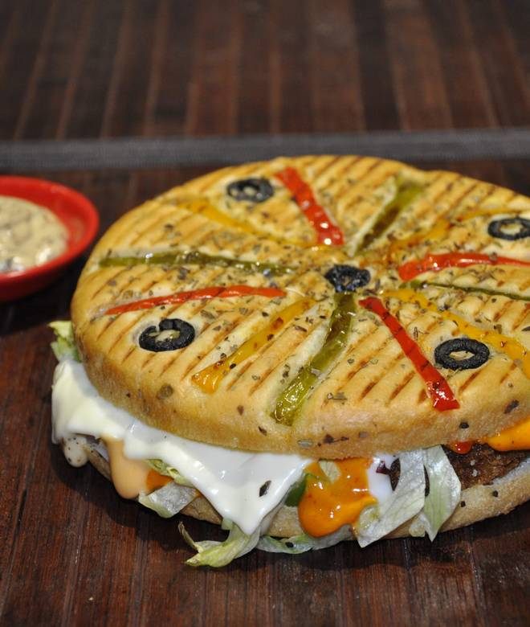
🍊 Restaurant Information

Name | Brown Bread Foods
Area | Akota
Rating | --
Total Ratings | Too Few Ratings
Cuisines | American, Fast Food
Cost for Two | ₹250 for two
Delivery Time | 24 mins
Swiggy URL | https://www.swiggy.com/city/vadodara/brown-bread-foods-akota-rest510809
Scraped On | 18 Mar 2026, 10:48 am

── Menu Stats ──
Total Items | 0
Veg Items | 0
Non-Veg Items | 0
Bestsellers | 0
Items with Photo | 0
Categories

