Info
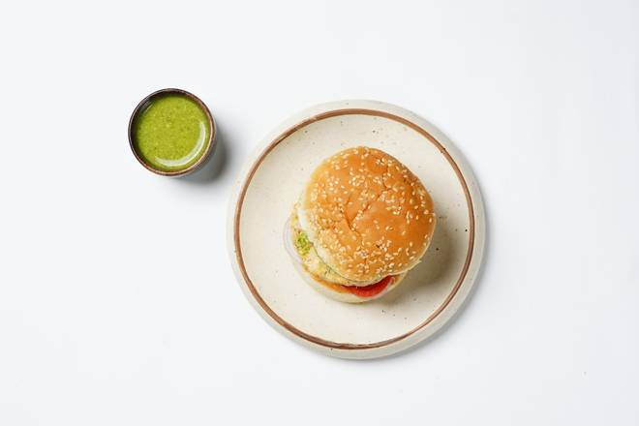
🍊 Restaurant Information

Name | Burger Bomb
Area | Mandvi
Rating | 4
Total Ratings | 8 ratings
Cuisines | Burgers, Pizzas
Cost for Two | ₹300 for two
Delivery Time | 45 mins
Swiggy URL | https://www.swiggy.com/city/vadodara/burger-bomb-waghodia-road-mandvi-rest697622
Scraped On | 18 Mar 2026, 10:53 am

── Menu Stats ──
Total Items | 0
Veg Items | 0
Non-Veg Items | 0
Bestsellers | 0
Items with Photo | 0
Categories

