Info
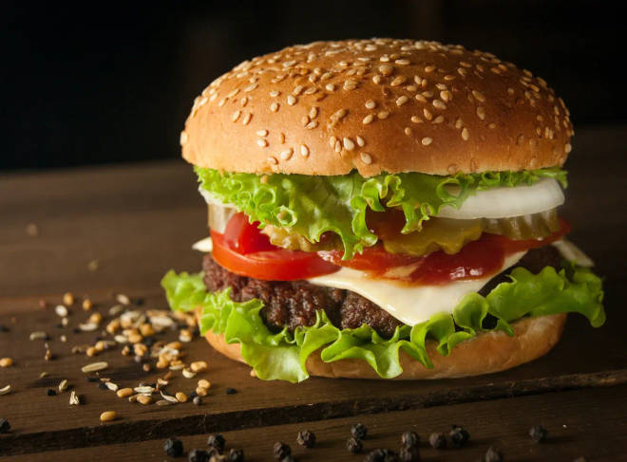
🍊 Restaurant Information

Name | Burger Bomb New Sama
Area | New Sama
Rating | --
Total Ratings | Too Few Ratings
Cuisines | Burgers, Beverages
Cost for Two | ₹100 for two
Delivery Time | 39 mins
Swiggy URL | https://www.swiggy.com/city/vadodara/burger-bomb-new-sama-fatehgunj-new-sama-rest762538
Scraped On | 18 Mar 2026, 10:55 am

── Menu Stats ──
Total Items | 39
Veg Items | 0
Non-Veg Items | 0
Bestsellers | 0
Items with Photo | 20
Categories | Recommended, Burger, French Fries, Pizza, Cold Coffee Sip

