Info
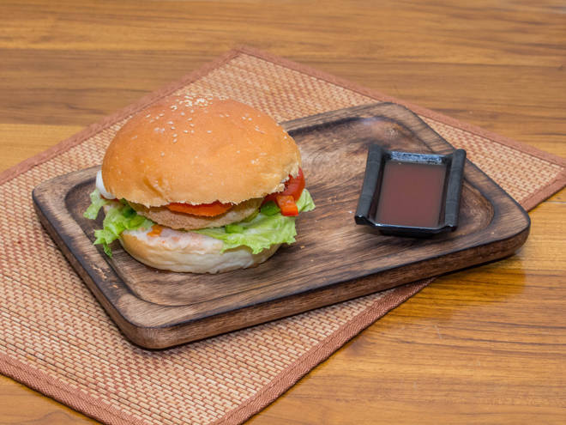
🍊 Restaurant Information

Name | Burger Me Up
Area | Akota
Rating | --
Total Ratings | Too Few Ratings
Cuisines | Fast Food, Burgers
Cost for Two | ₹400 for two
Delivery Time | 25 mins
Swiggy URL | https://www.swiggy.com/city/vadodara/burger-me-up-samanvay-silicon-akota-rest867283
Scraped On | 18 Mar 2026, 10:47 am

── Menu Stats ──
Total Items | 34
Veg Items | 0
Non-Veg Items | 0
Bestsellers | 0
Items with Photo | 15
Categories | Recommended, Burgers, Snacks, Rolls, Rice, Pasta

