Info
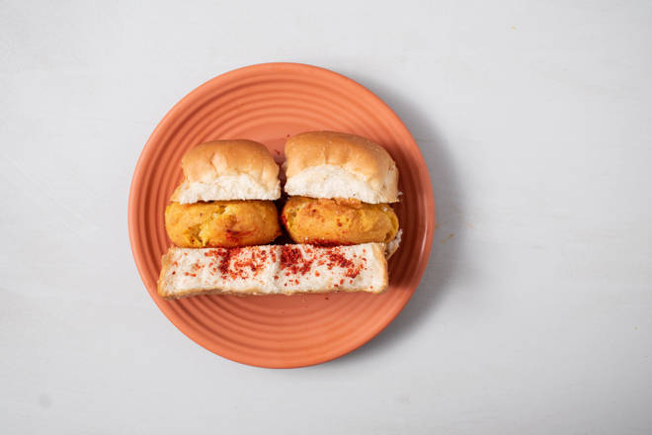
🍊 Restaurant Information

Name | C K Fast Food
Area | Fatehgunj
Rating | --
Total Ratings | Too Few Ratings
Cuisines | Fast Food, Snacks
Cost for Two | ₹299 for two
Delivery Time | 28 mins
Swiggy URL | https://www.swiggy.com/city/vadodara/c-k-fast-food-matrix-complex-fatehgunj-rest707274
Scraped On | 18 Mar 2026, 10:51 am

── Menu Stats ──
Total Items | 41
Veg Items | 0
Non-Veg Items | 0
Bestsellers | 0
Items with Photo | 31
Categories | Recommended, Sandwich, Vada Pav, Breads, Special Vada Pav, Frankie

