Info
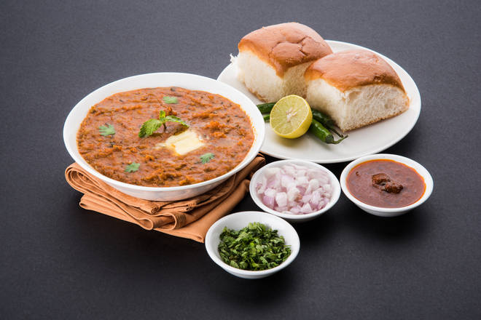
🍊 Restaurant Information

Name | Cafe De Bourse
Area | Akota
Rating | --
Total Ratings | Too Few Ratings
Cuisines | Beverages, Snacks
Cost for Two | ₹200 for two
Delivery Time | 24 mins
Swiggy URL | https://www.swiggy.com/city/vadodara/cafe-de-bourse-shreeji-avenue-akota-rest1028265
Scraped On | 18 Mar 2026, 10:55 am

── Menu Stats ──
Total Items | 25
Veg Items | 0
Non-Veg Items | 0
Bestsellers | 0
Items with Photo | 4
Categories | Burgers and Sandwiches, Snacks, Maggi, Drinks and Beverages, Pizza

