Info
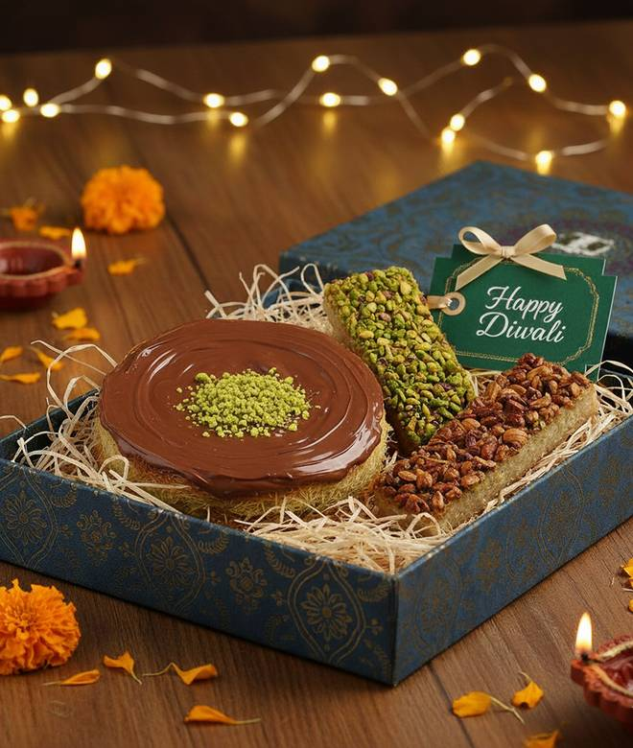
🍊 Restaurant Information

Name | Cakes N Kunafas
Area | Mandvi
Rating | 3.1
Total Ratings | 64 ratings
Cuisines | Italian, Turkish
Cost for Two | ₹400 for two
Delivery Time | 40 mins
Swiggy URL | https://www.swiggy.com/city/vadodara/cakes-n-kunafas-kishanwadi-mandvi-rest920989
Scraped On | 18 Mar 2026, 10:50 am

── Menu Stats ──
Total Items | 40
Veg Items | 0
Non-Veg Items | 0
Bestsellers | 0
Items with Photo | 35
Categories | Buy 2 Get 1 Free, Recommended, Kunafa: The Authentic Turkish Sweet, Dubai's Viral Kunafa Chocolate Bar, New Launch: Turkish Baklavas, Cookies & Chocolate Box

