Info
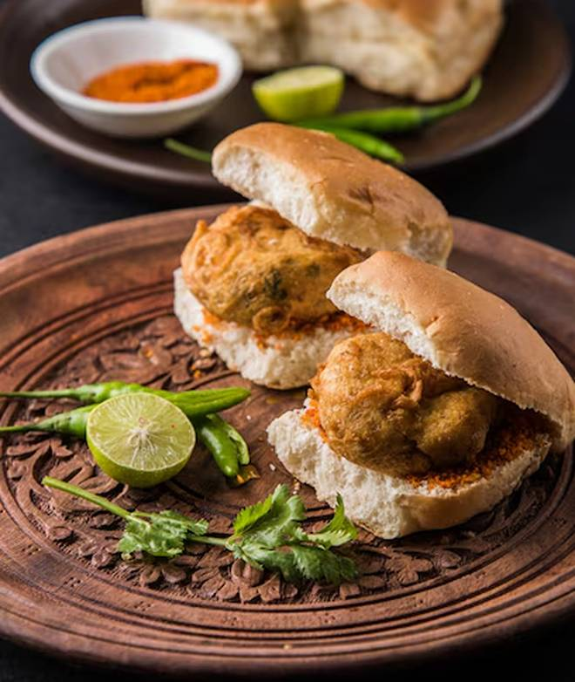
🍊 Restaurant Information

Name | Chhota Pav Nam Se Bachcha Na Samjhna
Area | Mandvi
Rating | --
Total Ratings | Too Few Ratings
Cuisines | Street Food
Cost for Two | ₹200 for two
Delivery Time | 44 mins
Swiggy URL | https://www.swiggy.com/city/vadodara/chhota-pav-nam-se-bachcha-na-samjhna-mandvi-rest1173480
Scraped On | 18 Mar 2026, 10:50 am

── Menu Stats ──
Total Items | 35
Veg Items | 0
Non-Veg Items | 0
Bestsellers | 0
Items with Photo | 30
Categories | Snacks, Breakfast, Soup, Vada pav

