Info
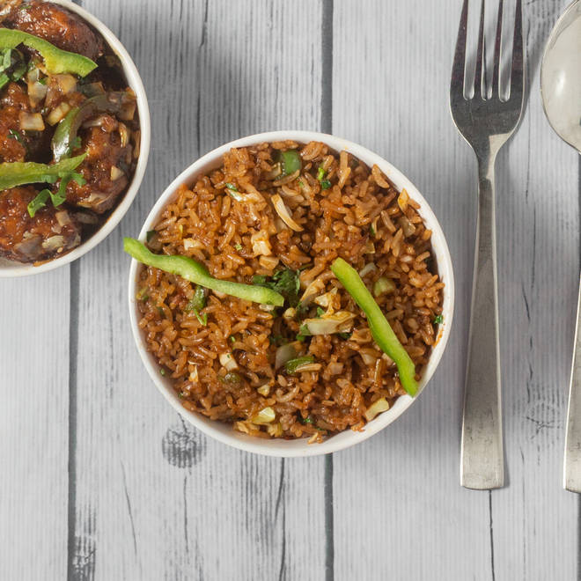
🍊 Restaurant Information

Name | Chinese in Baroda
Area | Karelibaug
Rating | 3.4
Total Ratings | 83 ratings
Cuisines | Chinese
Cost for Two | ₹250 for two
Delivery Time | 31 mins
Swiggy URL | https://www.swiggy.com/city/vadodara/chinese-in-baroda-vuda-circle-kareli-baug-karelibaug-rest375339
Scraped On | 18 Mar 2026, 10:47 am

── Menu Stats ──
Total Items | 3
Veg Items | 0
Non-Veg Items | 0
Bestsellers | 0
Items with Photo | 3
Categories | Recommended, Starters

