Info
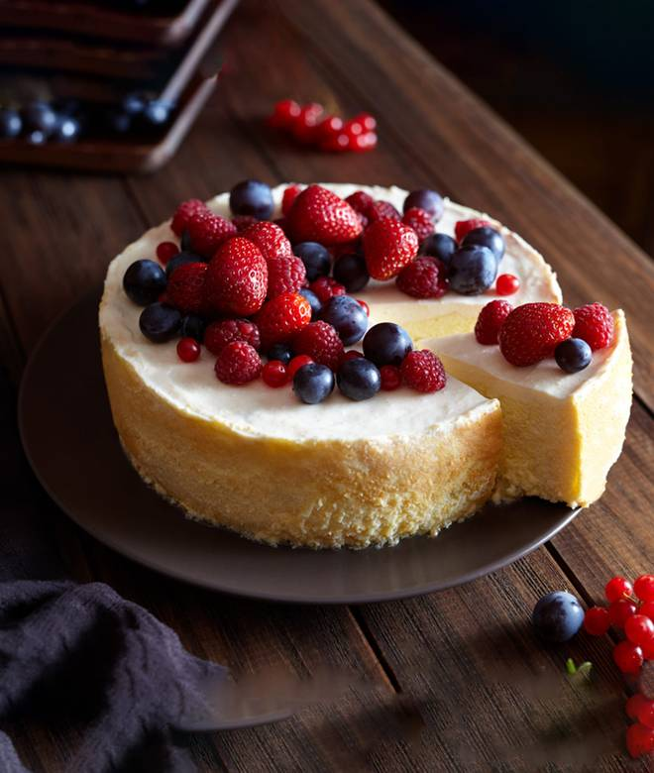
🍊 Restaurant Information

Name | ChuChu Chinese Food
Area | Akota
Rating | --
Total Ratings | Too Few Ratings
Cuisines | Beverages, Juices
Cost for Two | ₹300 for two
Delivery Time | 30 mins
Swiggy URL | https://www.swiggy.com/city/vadodara/chuchu-chinese-food-race-course-akota-rest718287
Scraped On | 18 Mar 2026, 10:54 am

── Menu Stats ──
Total Items | 0
Veg Items | 0
Non-Veg Items | 0
Bestsellers | 0
Items with Photo | 0
Categories

