Info
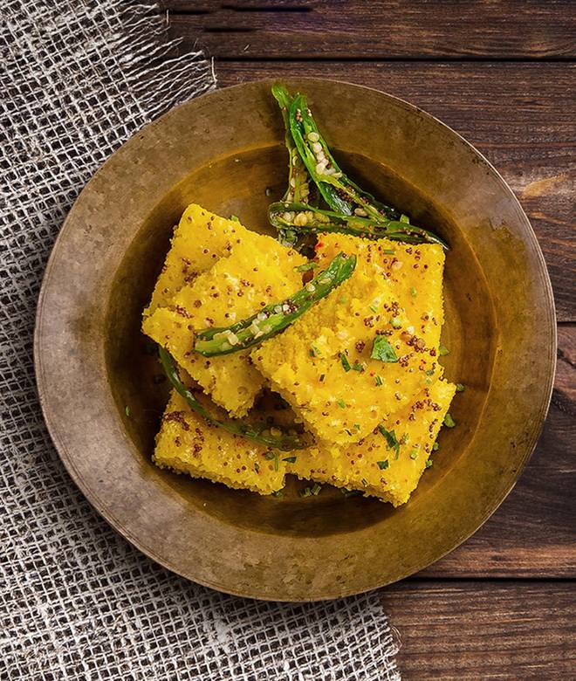
🍊 Restaurant Information

Name | Collegiyan Ghughra
Area | Mandvi
Rating | 4.9
Total Ratings | 14 ratings
Cuisines | Indian
Cost for Two | ₹149 for two
Delivery Time | 41 mins
Swiggy URL | https://www.swiggy.com/city/vadodara/collegiyan-ghughra-waghodiya-road-mandvi-rest700585
Scraped On | 18 Mar 2026, 10:54 am

── Menu Stats ──
Total Items | 0
Veg Items | 0
Non-Veg Items | 0
Bestsellers | 0
Items with Photo | 0
Categories

