Info
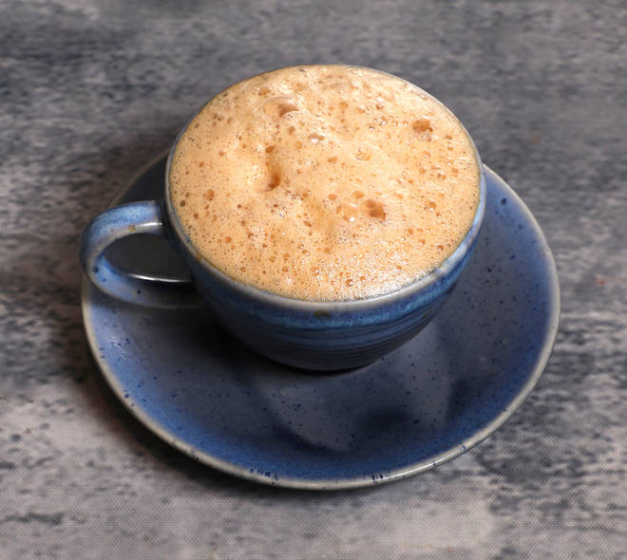
🍊 Restaurant Information

Name | Coral Cafe
Area | Akota
Rating | 3.8
Total Ratings | 9 ratings
Cuisines | Beverages, Fast Food
Cost for Two | ₹200 for two
Delivery Time | 24 mins
Swiggy URL | https://www.swiggy.com/city/vadodara/coral-cafe-akota-rest927854
Scraped On | 18 Mar 2026, 10:52 am

── Menu Stats ──
Total Items | 73
Veg Items | 0
Non-Veg Items | 0
Bestsellers | 0
Items with Photo | 39
Categories | Puff, Sandwich, Snacks, Paratha, Maggi, Cold Beverages, Coffee, Tea

