Info
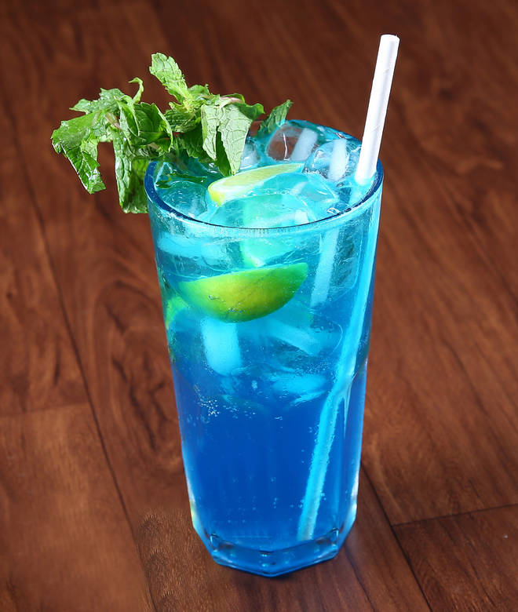
🍊 Restaurant Information

Name | Creators cafe
Area | Manjalpur
Rating | --
Total Ratings | Too Few Ratings
Cuisines | North Indian, Chinese
Cost for Two | ₹350 for two
Delivery Time | 32 mins
Swiggy URL | https://www.swiggy.com/city/vadodara/creators-cafe-manjalpur-rest445916
Scraped On | 18 Mar 2026, 10:50 am

── Menu Stats ──
Total Items | 0
Veg Items | 0
Non-Veg Items | 0
Bestsellers | 0
Items with Photo | 0
Categories

