Info
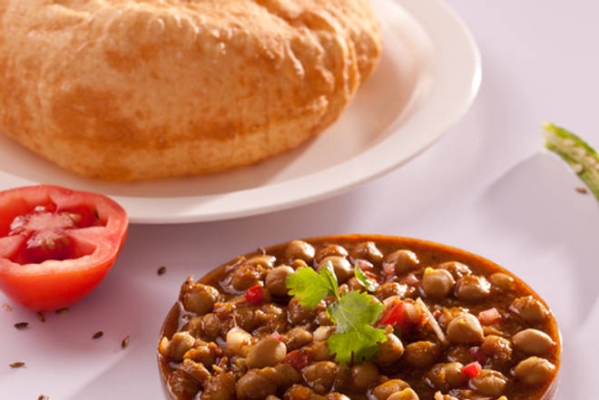
🍊 Restaurant Information

Name | Delhi 6
Area | Alkapuri
Rating | 4.2
Total Ratings | 687 ratings
Cuisines | North Indian, Punjabi
Cost for Two | ₹300 for two
Delivery Time | 24 mins
Swiggy URL | https://www.swiggy.com/city/vadodara/delhi-6-nand-gam-society-alkapuri-rest219426
Scraped On | 18 Mar 2026, 10:48 am

── Menu Stats ──
Total Items | 0
Veg Items | 0
Non-Veg Items | 0
Bestsellers | 0
Items with Photo | 0
Categories

