Info
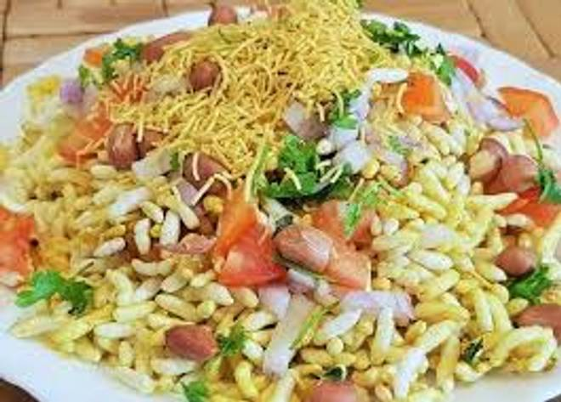
🍊 Restaurant Information

Name | Delhi Chat Puri
Area | Fatehgunj
Rating | NEW
Total Ratings
Cuisines | Chaat
Cost for Two | ₹250 for two
Delivery Time | 40 mins
Swiggy URL | https://www.swiggy.com/city/vadodara/delhi-chat-puri-fatehgunj-rest1293257
Scraped On | 18 Mar 2026, 10:47 am

── Menu Stats ──
Total Items | 38
Veg Items | 0
Non-Veg Items | 0
Bestsellers | 0
Items with Photo | 0
Categories | Snacks, Maggi, Burger, Sandwich, Frankies, Pizza, Fries, Drinks, Pani puri

