Info
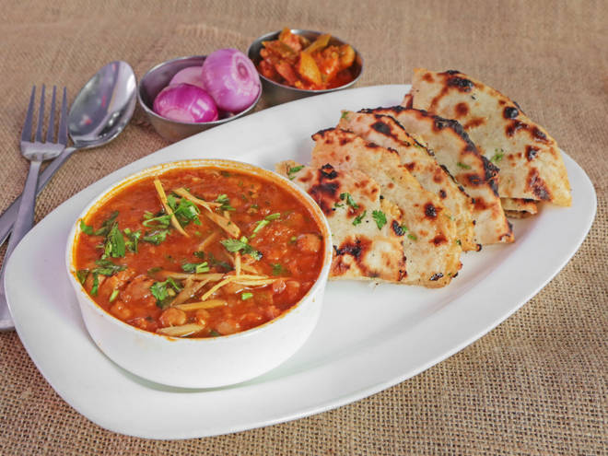
🍊 Restaurant Information

Name | Dilliwale Chole Kulche
Area | Sayajipura
Rating | 3.9
Total Ratings | 5 ratings
Cuisines | North Indian, Chinese
Cost for Two | ₹350 for two
Delivery Time | 40 mins
Swiggy URL | https://www.swiggy.com/city/vadodara/dilliwale-chole-kulche-new-vip-road-sayajipura-rest610150
Scraped On | 18 Mar 2026, 10:48 am

── Menu Stats ──
Total Items | 0
Veg Items | 0
Non-Veg Items | 0
Bestsellers | 0
Items with Photo | 0
Categories

