Info
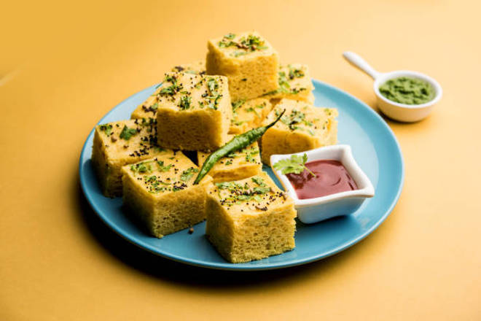
🍊 Restaurant Information

Name | Duggu'S Food
Area | Fatehgunj
Rating | --
Total Ratings | Too Few Ratings
Cuisines | Snacks, Fast Food
Cost for Two | ₹200 for two
Delivery Time | 29 mins
Swiggy URL | https://www.swiggy.com/city/vadodara/duggus-food-fatehgunj-rest1009995
Scraped On | 18 Mar 2026, 10:51 am

── Menu Stats ──
Total Items | 26
Veg Items | 0
Non-Veg Items | 0
Bestsellers | 0
Items with Photo | 0
Categories | Snacks, Beverages

