Info
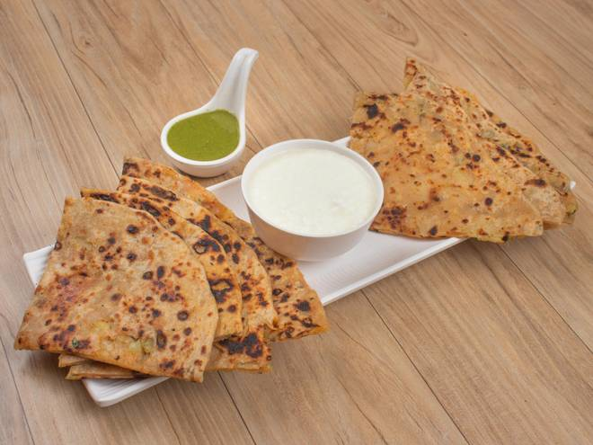
🍊 Restaurant Information

Name | Food&Mood
Area | Fatehgunj
Rating | 3.9
Total Ratings | 6 ratings
Cuisines | Indian
Cost for Two | ₹300 for two
Delivery Time | 37 mins
Swiggy URL | https://www.swiggy.com/city/vadodara/food-and-mood-fatehgunj-rest1061027
Scraped On | 18 Mar 2026, 10:51 am

── Menu Stats ──
Total Items | 10
Veg Items | 0
Non-Veg Items | 0
Bestsellers | 0
Items with Photo | 8
Categories | Paratha

