Info
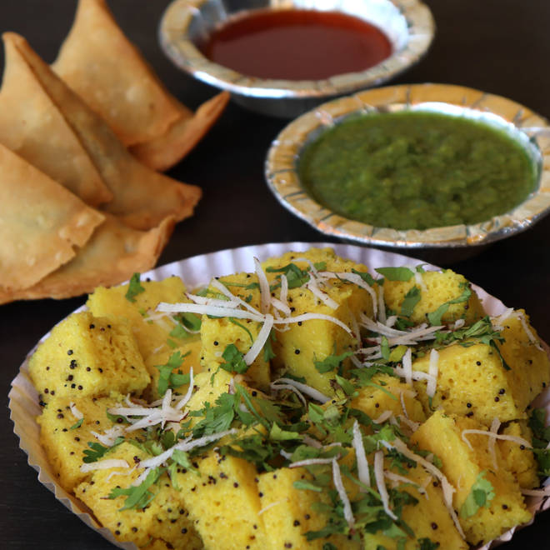
🍊 Restaurant Information

Name | Gayatri Khaman And Farshan
Area | Sayajigunj
Rating | 4
Total Ratings | 1.1K+ ratings
Cuisines | Snacks
Cost for Two | ₹250 for two
Delivery Time | 24 mins
Swiggy URL | https://www.swiggy.com/city/vadodara/gayatri-khaman-and-farshan-sayajiganj-road-sayajigunj-rest110680
Scraped On | 18 Mar 2026, 10:48 am

── Menu Stats ──
Total Items | 23
Veg Items | 0
Non-Veg Items | 0
Bestsellers | 0
Items with Photo | 11
Categories | Recommended, Utrayan Special, Snacks, Sweets, Quick Bites

