Info
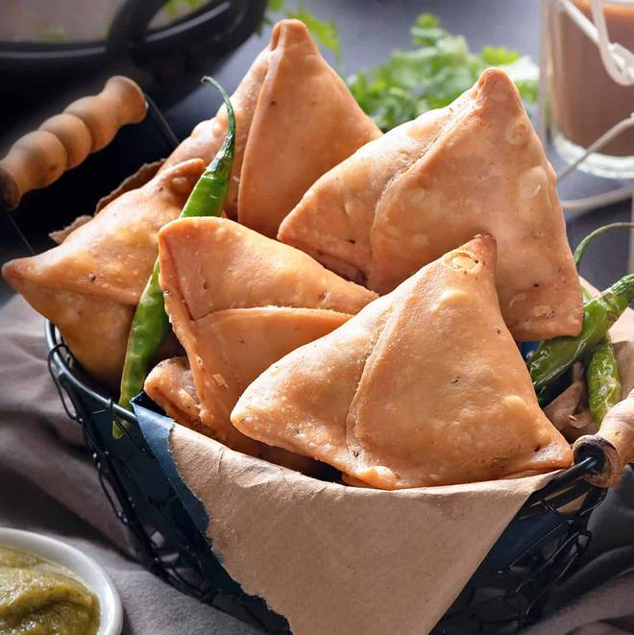
🍊 Restaurant Information

Name | Gujju's Samosa Cafe
Area | Mandvi
Rating | --
Total Ratings | Too Few Ratings
Cuisines | Snacks, Fast Food
Cost for Two | ₹300 for two
Delivery Time | 40 mins
Swiggy URL | https://www.swiggy.com/city/vadodara/gujjus-samosa-cafe-waghodia-road-mandvi-rest784094
Scraped On | 18 Mar 2026, 10:51 am

── Menu Stats ──
Total Items | 4
Veg Items | 0
Non-Veg Items | 0
Bestsellers | 0
Items with Photo | 2
Categories | Milk Shake

