Info
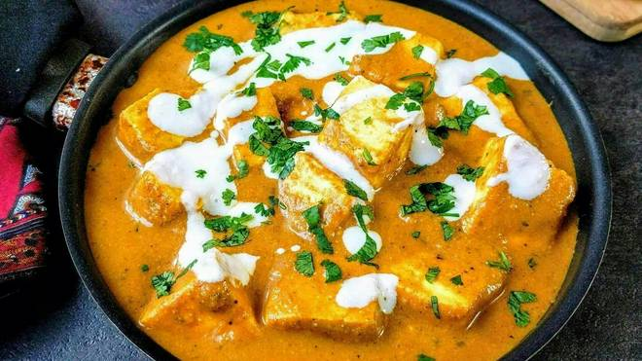
🍊 Restaurant Information

Name | Guptaji Punjabikhana
Area | Fatehgunj
Rating | 4.5
Total Ratings | 4 ratings
Cuisines | Chinese, South Indian
Cost for Two | ₹300 for two
Delivery Time | 31 mins
Swiggy URL | https://www.swiggy.com/city/vadodara/guptaji-punjabikhana-vuda-circle-fatehgunj-rest508149
Scraped On | 18 Mar 2026, 10:47 am

── Menu Stats ──
Total Items | 4
Veg Items | 0
Non-Veg Items | 0
Bestsellers | 0
Items with Photo | 2
Categories | Milk Shake

