Info
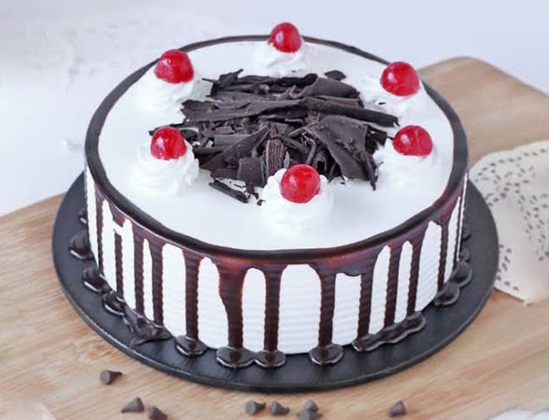
🍊 Restaurant Information

Name | Honeybee Cake Shop
Area | Mandvi
Rating | 4.3
Total Ratings | 45 ratings
Cuisines | Bakery
Cost for Two | ₹150 for two
Delivery Time | 34 mins
Swiggy URL | https://www.swiggy.com/city/vadodara/honeybee-cake-shop-rto-road-mandvi-rest507798
Scraped On | 18 Mar 2026, 10:53 am

── Menu Stats ──
Total Items | 35
Veg Items | 0
Non-Veg Items | 0
Bestsellers | 0
Items with Photo | 25
Categories | Recommended, Cake, Ice Cream Cake, Dry Cake Without Cream, ICE CREAM , Rusk, Cadbury Rakhi Combos

