Info
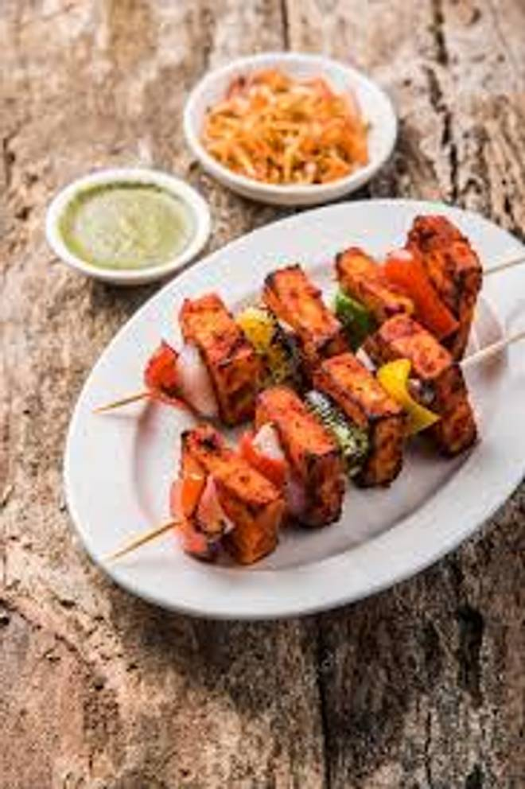
🍊 Restaurant Information

Name | Indian Omlet Center
Area | Mandvi
Rating | --
Total Ratings | Too Few Ratings
Cuisines | Indian, Chinese
Cost for Two | ₹200 for two
Delivery Time | 30 mins
Swiggy URL | https://www.swiggy.com/city/vadodara/indian-omlet-center-mandvi-rest497853
Scraped On | 18 Mar 2026, 10:53 am

── Menu Stats ──
Total Items | 0
Veg Items | 0
Non-Veg Items | 0
Bestsellers | 0
Items with Photo | 0
Categories

