Info
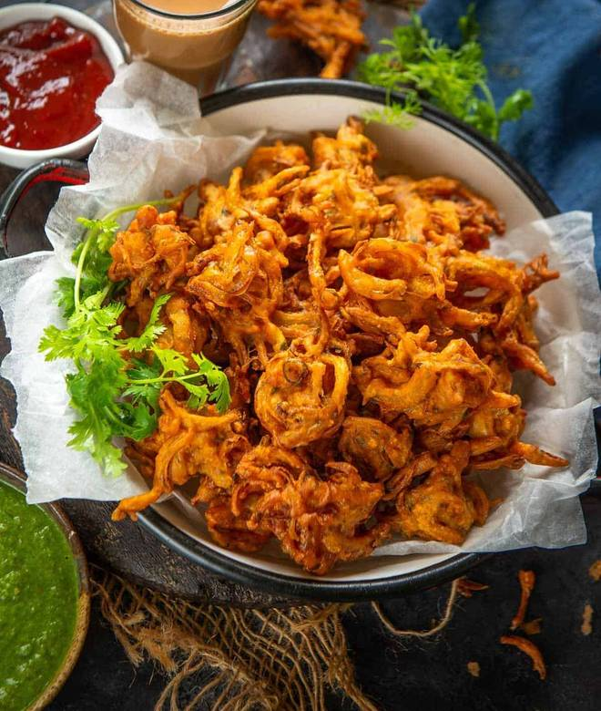
🍊 Restaurant Information

Name | Indian Sandwich
Area | Mandvi
Rating | --
Total Ratings | Too Few Ratings
Cuisines | Fast Food
Cost for Two | ₹200 for two
Delivery Time | 45 mins
Swiggy URL | https://www.swiggy.com/city/vadodara/indian-sandwich-mandvi-rest1173559
Scraped On | 18 Mar 2026, 10:49 am

── Menu Stats ──
Total Items | 47
Veg Items | 0
Non-Veg Items | 0
Bestsellers | 0
Items with Photo | 41
Categories | Breakfast, Snacks, Burger, Vada pav, Soup

